@Risk
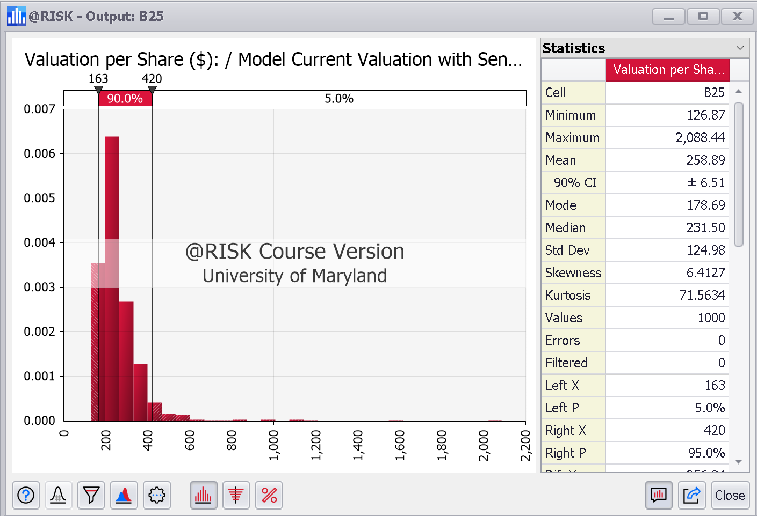

Current Price | $261.00
Valuation Price | 224.01
12 Month Valuation Price | 231.42
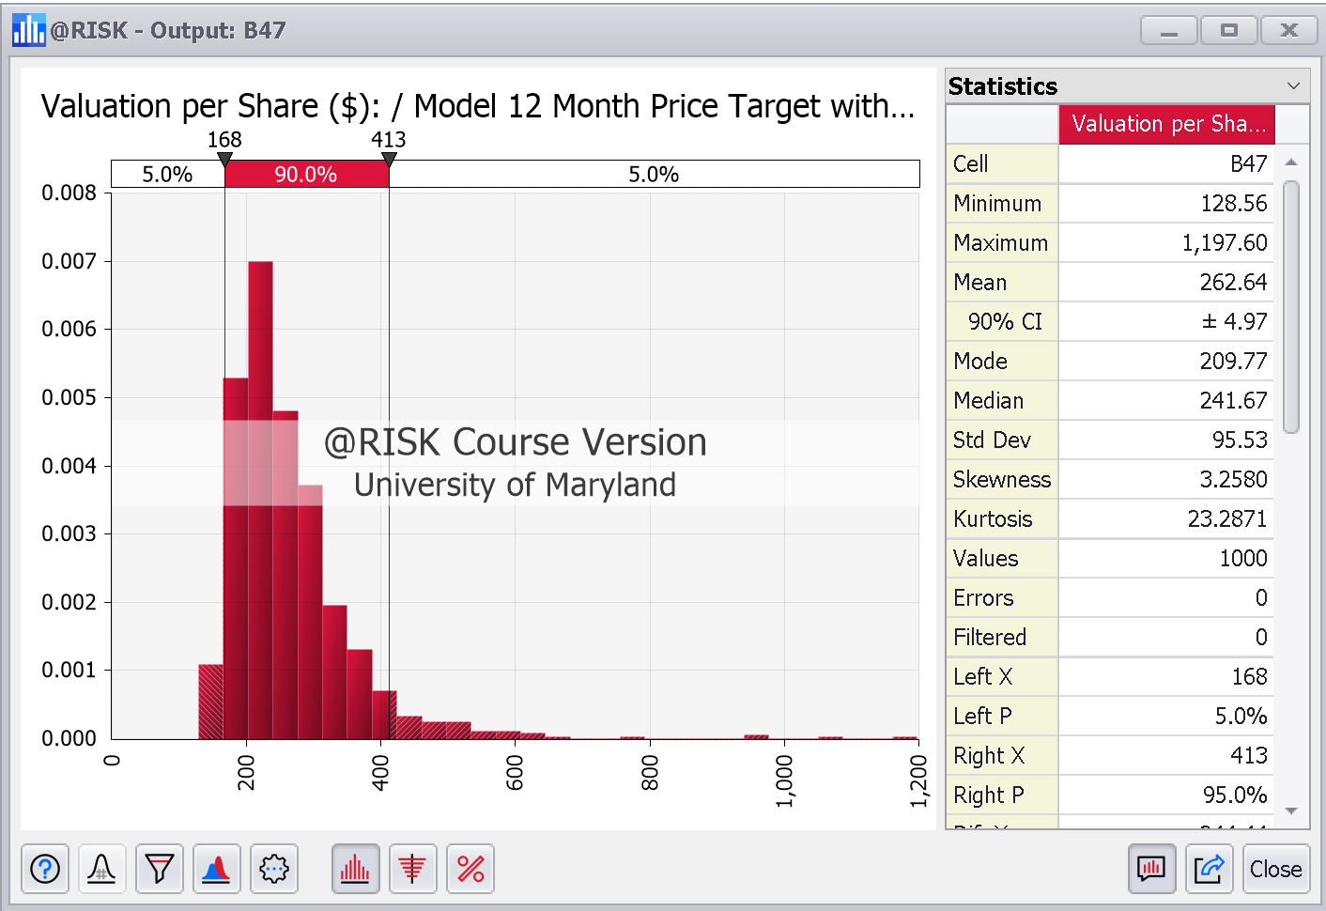
Valuation Appreciation | -14.17%
12 Month Valuation Appreciation | -11.33%
@Risk Monte Carlo Simulation on Base case

Ratios
Hershey Ratio Analysis

Profitability | 2018 | 2019 | 2020 | 2021 | 2022 | 2023 | 2024 | 2025 | 2026 | 2027 | Formula
Gross margin | 45.9% | 45.4% | 45.4% | 45.1% | 43.2% | 44.0% | 44.5% | 45.0% | 45.5% | 45.5% | gross profit/sales
Pre-tax operating profit margin | 18.1% | 17.3% | 18.3% | 20.0% | 18.4% | 19.8% | 20.3% | 20.7% | 21.1% | 21.2% | EBIT/sales or EBT/sales
EBITDA margin | 24.6% | 23.6% | 25.5% | 26.3% | 25.3% | 22.5% | 23.0% | 23.5% | 24.0% | 24.0% | EBITDA / sales
Net profit margin | 15.1% | 14.4% | 15.7% | 16.5% | 15.8% | 16.6% | 16.9% | 17.0% | 17.3% | 17.4% | Net income/sales
ROA | 17.5% | 16.3% | 16.7% | 16.2% | 17.7% | 0.0% | 0.0% | 0.0% | 0.0% | 0.0% | (Net profit margin for ROA)(asset turnover) which is also [EBIT(1-t)/assets]
ROE | 83.7% | 65.9% | 57.1% | 53.6% | 49.8% | 0.0% | 0.0% | 0.0% | 0.0% | 0.0% | Net income/equity

Liquidity
Current Ratio | 0.93 | 1.05 | 1.57 | 0.90 | 0.80 | 0.93 | 1.14 | 1.41 | 1.67 | 1.94 | Current assets/current liabilities
Quick Ratio | 0.49 | 0.53 | 0.93 | 0.40 | 0.36 | 0.45 | 0.61 | 0.87 | 1.13 | 1.39 | (Cash + marketable securities + receivables)/current liabilities

Financial leverage
Capital Structure Leverage | 5.51 | 4.68 | 4.09 | 3.78 | 3.32 | 2.95 | 2.64 | 2.44 | 2.27 | 2.15 | assets/common equity
Total debt to Equity | 3.17 | 2.44 | 2.06 | 1.82 | 1.45 | 1.19 | 0.98 | 0.85 | 0.76 | 0.68 | TD/equity
Long-term debt ratio | 0.70 | 0.67 | 0.65 | 0.60 | 0.50 | 0.47 | 0.44 | 0.40 | 0.38 | 0.35 | (Long-term debt)/(Long-term debt + equity)
Liabilities to Equity | 4.47 | 3.66 | 3.08 | 2.78 | 2.32 | 1.95 | 1.64 | 1.44 | 1.27 | 1.15 | Total liabilities/equity
Total debt to total capital | 0.76 | 0.71 | 0.67 | 0.65 | 0.59 | 0.54 | 0.49 | 0.46 | 0.43 | 0.40 | Total debt/(total debt + equity)
Working capital to total capital | -0.03 | 0.02 | 0.16 | -0.03 | -0.08 | -0.02 | 0.05 | 0.12 | 0.18 | 0.23 | (Current assets - current liabilities) / (total debt + equity)

Coverage
Operating cash flow to total liabilities | 0.25 | 0.28 | 0.25 | 0.27 | 0.30 |  |  |  |  |  | Ops CF/total liabilities
Operating cash flow to total debt | 0.36 | 0.41 | 0.37 | 0.41 | 0.49 |  |  |  |  |  | Ops CF/total debt
Operating cash flow to capital expenditures | 4.87 | 5.54 | 3.85 | 4.20 | 4.48 |  |  |  |  |  | Ops CF/capex
Interest coverage | 12.26 | 11.44 | 11.81 | 16.00 | 17.16 |  |  |  |  |  | EBIT/interest or EBITDA/interest

Operating Leverage
Operating Leverage |  | -0.68 | 5.72 | 1.45 | 0.66 | 1.53 | 1.53 | 1.65 | 1.65 | 1.00 | (% change in operating profit)/(% change in sales)

Efficiency/Activity
Asset turnover |  | 1.01 | 0.94 | 0.92 | 0.98 | 0.97 | 0.94 | 0.89 | 0.85 | 0.81 | Sales/assets
Receivables turnover |  | 13.74 | 13.77 | 13.94 | 15.07 | 14.98 | 14.60 | 14.53 | 14.52 | 14.52 | Sales/AR
Inventory turnover |  | 5.45 | 5.00 | 5.04 | 5.48 | 5.17 | 5.09 | 5.06 | 5.06 | 5.08 | COGS/inventory

Days sales outstanding |  | 26.57 | 26.51 | 26.17 | 24.22 | 24.37 | 25.01 | 25.12 | 25.13 | 25.13 | =365/receivables turnover
Days inventory on hand |  | 66.92 | 73.00 | 72.39 | 66.63 | 70.66 | 71.76 | 72.08 | 72.12 | 71.80 | =365/inventory turnover

Gross Margin
 | Gross margin | Net sales
 | 45.9% | $ 7,791,069
 | 45.4% | $ 7,986,252
 | 45.4% | $ 8,149,719
 | 45.1% | $ 8,971,337
 | 43.2% | $ 10,419,294
Net Profit Margin

ROA
ROE

Current Ratio
Quick Ratio

Total Debt-to-Equity
Liabilities to Equity

Total Debt to Total Capital
Long-term Debt Ratio

Operating Cash Flow to Total Liabilities
Interest Coverage

Operating Leverage
Asset Turnover

Inventory Turnover
Receivables Turnover

